1. Title Page
Grocery Basket Analysis

Project Name: Instacart Grocery Basket Analysis
Date: 10/08/2022
Analyst Name: Ruth Forster

Contents:
Population Flow
Consistency checks
Wrangling steps
Column derivations
Visualizations
Recommendations

“The Instacart Online Grocery Shopping Dataset 2017”, Accessed from https://www.instacart.com/datasets/grocery-shopping-2017 on <10/08/2022>

2. Population Flow
Title page

Population flow

Exclusion flag
Condition: max_order < 5
Obervations to be removed: 1,440,295
Final total count of order_products_all: 30,964,564

Orders_products_combined
Orders_products_merged
Orders_products_all

Total: 32,404,859
Total: 32,434,489
Total: 32,404,859

1.) The grey boxes in the first row of the population flow represent the original data sets as they were when you downloaded them. In the Total fields you need to add the count of the rows when you imported the data set into Jupyter.
2.) The second row of boxes (coloured) represents the data sets after you manipulated them, e.g., removed missing values and duplicates. In the Total fields you need to add the count of the rows after conducting these operations. This offers a visual oveview of how the data flows throughout the data consistency checks.
3.) The third row, where also the arrows are coloured, represents the merges you performed between the datasets. In the Total fields you need to add the count of the rows in the merged datasets, so that you end up with the final dataset (in the red box). Keep in mind the final dataset should be without exclusions (based on the exclusion flag).

3. Consistency checks
 |  |  |  | Title page
Consistency checks

Dataset | Missing values | Missing values treatment | Duplicates
orders | 206209 missing values in days_since_prior_order | Confirmed these are customers 1st orders by crosstab function
products | 16 missing values in product_name | Removed | 5 duplicate rows found and deleted
orders_products_prior
customers | 11259 missing values in first_name column | Left in as user_id is the identifier here. Column subsequently dropped due to PII

4. Wrangling steps
 |  |  |  |  | Title page
Wrangling steps

Data Set | Columns dropped | Columns renamed | Columns' type changed | Comment/Reason
Orders | eval_set from orders data set |  |  | Not needed as it was all prior data
Orders |  |  | User id changed to string | Not needed as numeric for descriptive statistics
Orders |  |  | Order id changed to string | Not needed as numeric for descriptive statistics
Orders |  | DOW to Order day of week |  | Easier to understand
Customers |  | First Name to first_name |  | Easier to understandand correctly formatted for python
Customers |  | Surnam to surname |  | Easier to understandand correctly formatted for python
Customers |  | Gender to gender |  | Easier to understandand correctly formatted for python
Customers |  | STATE to state |  | Easier to understandand correctly formatted for python
Customers |  | Age to age |  | Easier to understandand correctly formatted for python
Customers |  | n_dependants to no_of_dependants |  | Easier to understandand correctly formatted for python
Customers |  | fam_status to marital_status |  | Easier to understandand correctly formatted for python
orders_products_all (full data set) | _merge |  |  | Not needed for analysis
orders_products_all (full data set) | aisle_id |  |  | Not needed for analysis
orders_products_all (full data set) | first_name |  |  | PII reasons
orders_products_all (full data set) | surname |  |  | PII reasons
orders_products_all (full data set) | busiest_2_days |  |  | Not needed for analysis
orders_products_all (full data set) | mean_price |  |  | Not needed for analysis
orders_products_all (full data set) |  |  | order_number changed to int8 | Reduce file size
orders_products_all (full data set) |  |  | order_day_of_week to int8 | Reduce file size
orders_products_all (full data set) |  |  | order_hour_of_day to int8 | Reduce file size
orders_products_all (full data set) |  |  | department_id to int8 | Reduce file size
orders_products_all (full data set) |  |  | price_range to int8 | Reduce file size
orders_products_all (full data set) |  |  | max_order to int8 | Reduce file size
orders_products_all (full data set) |  |  | loyalty_flag to int8 | Reduce file size
orders_products_all (full data set) |  |  | spending_flag to int8 | Reduce file size
orders_products_all (full data set) |  |  | age to int8 | Reduce file size
orders_products_all (full data set) |  |  | no_of_dependants to int8 | Reduce file size
orders_products_all (full data set) |  |  | income to int32 | Reduce file size

5. Column derivations
 |  |  |  | Title page

Column derivations and aggregations

In this tab you should add tables below that the frequences of flags/label variables that you produced after deriving them. NB: don't do this for continuous variables, only for flags.
Dataset | New column | Column/s it was derived from | Conditions
Ords_prods_merged | price_range | prices | If price is below than or equal to 5 then assign 'Low range product' If price is greater than 5 and lower than or equal to 15 then assign 'Mid range product' If price is greater than 15 then assign 'High range product'.
Ords_prods_merged | Busiest Day | order_day_of_week | If order_day_of_week is 0 (Saturday) then assign 'Busiest day' If order_day_of_week is 4 (Wednesday) then assign 'Least busy' If order_day_of_week is anything else then assign 'Regularly busy'
Ords_prods_merged | Busiest days | order_day_of_week | If order_day_of_week is 0 or 1 (Saturday or Sunday) then assign 'Busiest day' If order_day_of_week is 3 or 4 (Tuesday or Wednesday) then assign 'Least busy' If order_day_of_week is anything else then assign 'Regularly busy'
Ords_prods_merged | Busiest_period_of_day | order_hour_of_day | If order_hour_of_day is between 9 and 6 then assign 'Most orders' If order_hour_of_day is either 3,4,2,5,1,0,6 or 23 then assign 'Fewest orders' If order_hour_of_day is anything else then assign 'Average orders'
Ords_prods_merged | loyalty_flag | User_ id and order_number | If a customer has made more than 40 orders then assign 'Loyal customer' If a customer has made more than 10 and less than or equal to 40 orders then assign 'Regular customer' If a customer has made 10 or less orders then assign 'New customer'
Ords_prods_merged | spending_flag | User_id and prices | If a customer has a mean price of less than 10 then assign 'Low spender' If a customer has a mean price of 10 or higher then assign 'High spender'
Ords_prods_merged | frequency_flag | User_id and days_since_prior_order | If the median of days_since_prior_order is higher than 20, then assign 'Non-frequent customer' If the median of days_since_prior_order is higher than 10 and less than or equal to 20, then assign 'Regular customer' If the median of days_since_prior_order is lower than or equal to 10, then assign 'Frequent customer'
orders_products_all (full data set) | age_range | age | If age is between 18 - 24 then assign '1' If age is between 25 - 34 then assign '2' If age is between 35- 50 then assign '3' If age is between 51- 64 then assign '4' If age is over 65 then assign '5'
 | income_range | income | If income is $32,4028 or less then assign '1' If income is $32,4028 to $53,413 or less then assign '2' If income is $53,413 to $106,827 or less then assign '3' If income is $106,827 to $373,894 or less then assign '4' If income is $373,894 or higher then assign '5'
 | region | state | Northeast = ('Maine','New Hampshire', 'Vermont', 'Massachusetts', 'Rhode Island', 'Connecticut', 'New York', 'Pennsylvania', 'New Jersey') Midwest = ('Wisconsin', 'Michigan', 'Illinois', 'Indiana', 'Ohio', 'North Dakota', 'South Dakota', 'Nebraska', 'Kansas', 'Minnesota', 'Iowa', 'Missouri') South = ('Delaware', 'Maryland', 'District of Columbia', 'Virginia', 'West Virginia', 'North Carolina', 'South Carolina', 'Georgia', 'Florida', 'Kentucky', 'Tennessee', 'Mississippi', 'Alabama', 'Oklahoma', 'Texas', 'Arkansas', 'Louisiana') West = ('Idaho', 'Montana', 'Wyoming', 'Nevada', 'Utah', 'Colorado', 'Arizona', 'New Mexico', 'Alaska', 'Washington', 'Oregon', 'California', 'Hawaii')

6. Visualizations

 |  |  |  |  |  |  |  |  |  |  | Title page

Visualisations

In this tab you should include all the visualtions from Exercises 4.9 and 4.10, alongside the questions from the project brief that they answer. Include any commentary on the relationship between different variables.

Key Question 1. The sales team needs to know what the busiest days of the week and hours of the day are (i.e., the days and times with the most orders) in order to schedule ads at times when there are fewer orders.

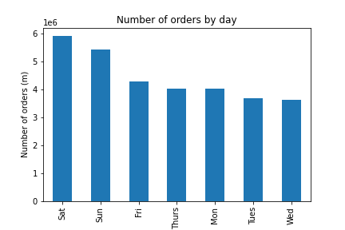
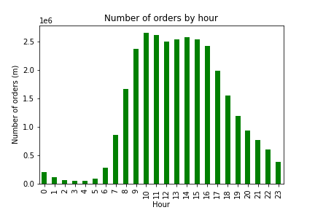
 |  |  |  |  |  |  |  |  |  |  |  | Comments: The busiest days of the week are Saturday and Sunday and the busiest hours are 10am and 11am, with the number of orders remaining consistent throughout the afternoon until 5pm. I would recommend to schedule ads on weekdays in the morning (7am-8am) and evening (6pm - 8pm), when there are fewer orders. This might entice customers to shop on their way to and from work.

Key Question 2. They also want to know whether there are particular times of the day when people spend the most money, as this might inform the type of products they advertise at these times.

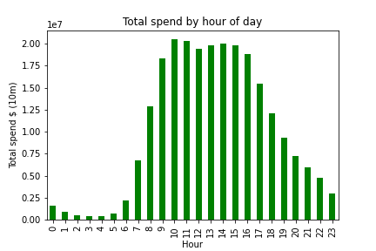
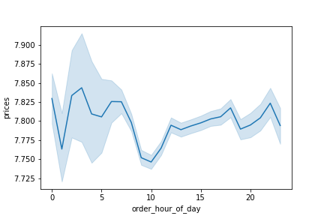
 |  |  |  |  |  |  |  |  |  | Average product prices by hour of the day |  | Comments: The total spend distribution is in line with the amount of orders, suggesting that the average order value doesn't differ significantly based on the time of day. Customers seem to buy higher priced products in the early morning. Which is where we don't see many orders coming through. Indicating these are higher value orders than customers place during the day. We are seeing a high frequency of orders with a low expenditure during the day (particularly 10-11am) and a low frequency of orders with a high expenditure between 12-7am.

 |  |  |  |  |  |  |  |  |  | Average product prices by day
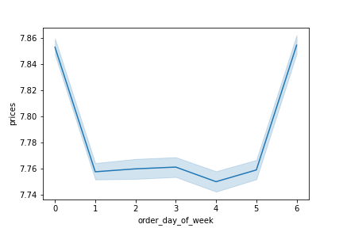

Key Question 3. Instacart has a lot of products with different price tags. Marketing and sales want to use simpler price range groupings to help direct their efforts.

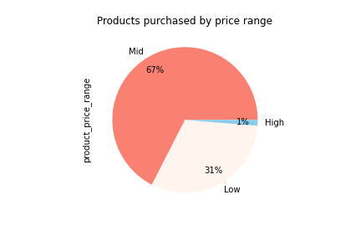
 |  |  |  |  |  |  |  |  |  |  |  | Comments: The majority of products purchased fall in the mid range category between 5 and 15 dollars. There are very few high range products purchased at 1% of the sales mix.

Key Question 4. Are there certain types of products that are more popular than others? The marketing and sales teams want to know which departments have the highest frequency of product orders.

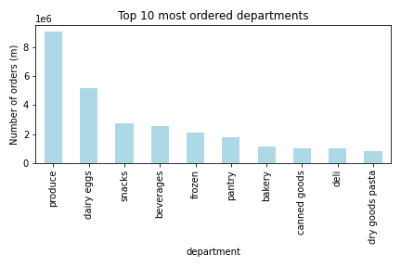
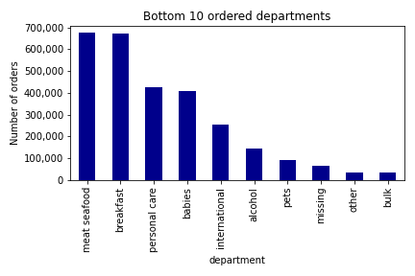
 |  |  |  |  |  |  |  |  |  |  |  | Comments: Produce is by far the best selling department at almost double the amount of orders than the 2nd department (eggs). The produce department appears to be fresh fruit and vegetables. I would recommend categorising these further in order to conduct a more in depth future analysis in order to identify best selling categories to aid marketing campaigns.

Key Question 5. The marketing and sales teams are particularly interested in the different types of customers in their system and how their ordering behaviors differ.

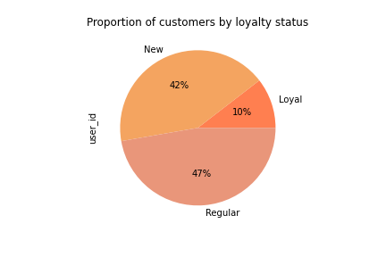
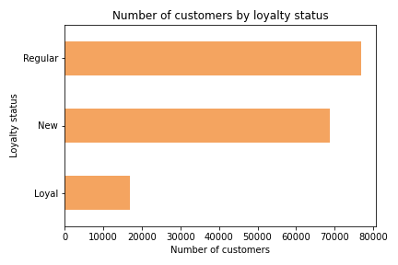

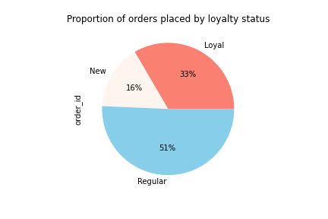
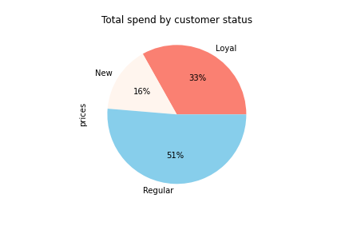

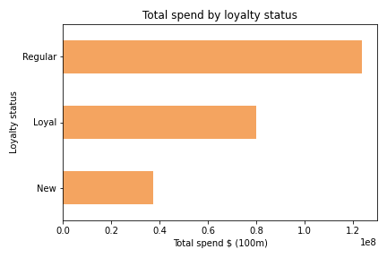
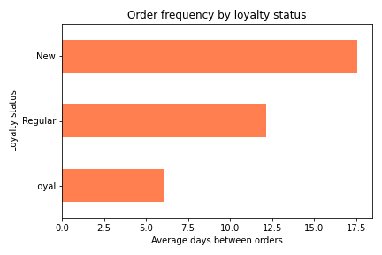

customer_status | order_count | customer_count | order_frequency | total_spend | product_count | average_order_value | average_customer_spend | average_orders_by_customer | products_per_order
Loyal | 1024517 | 17017 | 6.03 | 79,933,824.00 | 10284093 | 78.02 | 4697.29 | 60.21 | 10.04
New | 486738 | 68750 | 17.6 | 37,469,804.00 | 4803695 | 76.98 | 545.02 | 7.08 | 9.87
Regular | 1553120 | 76864 | 12.16 | 123,790,608.00 | 15876776 | 79.7 | 1610.51 | 20.21 | 10.22

Comments: Regular customers account for 51% of our orders and total spend. They represent 47% of our customer base. Loyal customers account for 33% of our orders and total spend, representing 10% of our customer base. They do place orders more frequently at an average of every 6 days. New customers account for 16% of our orders and total spend. They make up a substantial proportion of our customer base at 42% but place orders less frequently at an average of every 18 days. Loyal customers have the highest average customer spend and number of orders per customer due to the fact they place orders more frequently. All loyalty groups have a similar average order value, and number of products per order (although we can note that that these values are slightly lower for new customers in comparison to regular and loyal customers). Target new customers to encourage repeat orders.

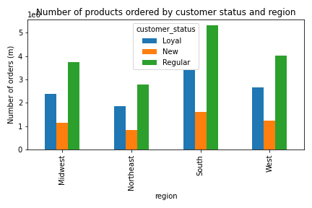
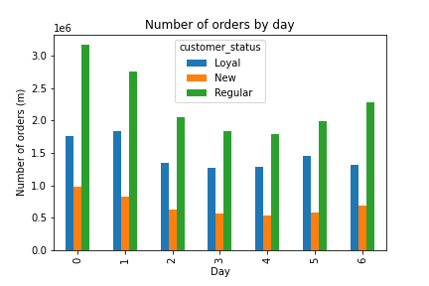

 |  |  |  |  |  |  |  |  |  |  |  | Comments: All regions have a similar distribution of new, loyal and regular customers. All customer status' place the most orders on the weekend. However, regular and new customers prefer to shop on Saturday whereas loyal customers prefer to shop on Sunday.

Top 10 departments by region % contribution
department | Midwest | Northeast | South | West
produce | 29.39 | 29.15 | 29.36 | 29.33
dairy eggs | 16.7 | 16.74 | 16.71 | 16.74
snacks | 8.88 | 9.02 | 8.89 | 8.97
beverages | 8.25 | 8.47 | 8.33 | 8.21
frozen | 6.86 | 6.78 | 6.88 | 6.85
pantry | 5.79 | 5.72 | 5.74 | 5.78
bakery | 3.6 | 3.65 | 3.6 | 3.64
canned goods | 3.27 | 3.24 | 3.27 | 3.28
deli | 3.23 | 3.26 | 3.24 | 3.25
dry goods pasta | 2.66 | 2.63 | 2.65 | 2.67

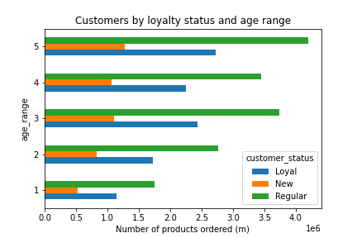
 |  |  |  |  |  |  |  | Age Range |  |  |  | Comments: Regular customers account for the majority in all age brackets, followed by loyal and new in line with overall distribution.
 |  |  |  |  |  |  |  | 1 | 18-24
 |  |  |  |  |  |  |  | 2 | 25-35
 |  |  |  |  |  |  |  | 3 | 36-50
 |  |  |  |  |  |  |  | 4 | 51-64
 |  |  |  |  |  |  |  | 5 | 65+

Age vs Number of dependants |  |  |  |  |  |  |  |  |  |  |  | Comments: There is no clear trend or connection between age and number of dependents for Instacart customers.

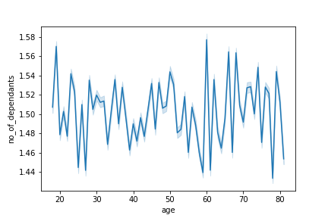

Age vs Income
 |  |  |  |  |  |  |  |  |  |  |  | Comments: The scatterplot shows the relationship between age and spending power. We can see that 1. The majority of customers aged 20-40 have an income of upto 200,000 USD 2. This income rises to 300,000 USD within the 40+ age group, although the concentration of the dots shows that there are still more customers that fall into to the upto 200,000 USD bracket. 3. The spending power of instacart customers is higher within the 40+ age group, reaching 60,000 USD. 4. There are some customers in the under 40 age group that have a higher spending power than the majority of 40+ group.

6. Visualizations (2)
 |  |  |  |  |  |  |  |  |  |  | Title page

Visualisations

In this tab you should include all the visualtions from Exercises 4.9 and 4.10, alongside the questions from the project brief that they answer. Include any commentary on the relationship between different variables.

Customer Profiles

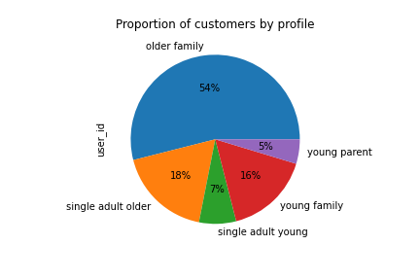
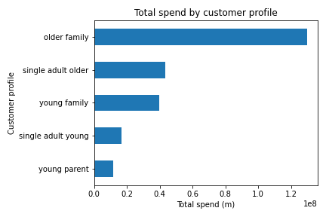

 |  |  |  |  |  |  |  |  |  |  |  | Comments: Customers were segmented into 5 profiles based on age, marital status and number of dependants. The majority of our customers (54%) are older familys meaning they are over 35, married and have dependants.

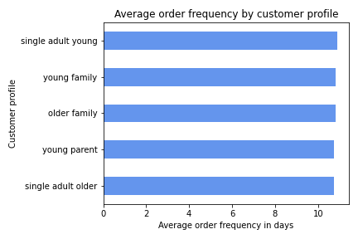
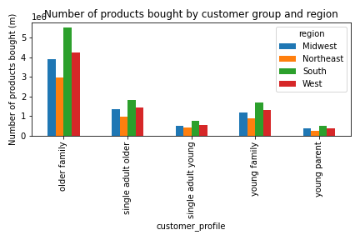

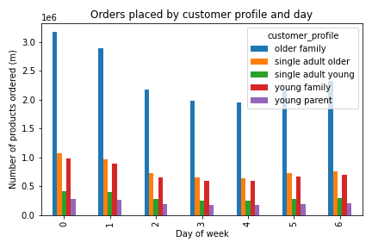
 |  |  |  |  |  | Customer profiles by Region percentage
 |  |  |  |  |  | customer_profile | Midwest | Northeast | South | West
 |  |  |  |  |  | older family | 53.87 | 54.1 | 53.56 | 53.9
 |  |  |  |  |  | single adult older | 18.33 | 17.51 | 17.83 | 18.11
 |  |  |  |  |  | single adult young | 6.77 | 7.27 | 7.21 | 6.87
 |  |  |  |  |  | young family | 16.19 | 16.43 | 16.5 | 16.47
 |  |  |  |  |  | young parent | 4.84 | 4.69 | 4.9 | 4.64

customer_profile | total_spend | customer_count | order_count | product_count | order_frequency | average_order_value | average_customer_spend | average_orders_by_customer | products_per_order
older family | 129,841,400.00 | 87743 | 1652901 | 16663768 | 10.82 | 78.55 | 1479.79 | 18.84 | 10.08
single adult older | 43,338,796.00 | 29199 | 552915 | 5561991 | 10.75 | 78.38 | 1484.26 | 18.94 | 10.06
young family | 39,520,812.00 | 26553 | 498343 | 5079943 | 10.82 | 79.3 | 1488.37 | 18.77 | 10.19
single adult young | 16,940,698.00 | 11528 | 214839 | 2177690 | 10.9 | 78.85 | 1469.53 | 18.64 | 10.14
young parent | 11,552,531.00 | 7608 | 145377 | 1481172 | 10.75 | 79.47 | 1518.47 | 19.11 | 10.19

Comments: The majority of our customers fall into the older family profile. They have also placed the most orders and have the highest expenditure. However this doesn't seem to be driven by one particular factor as their KPI's are in line with other customer profiles. Average order value, customer spend, average number of orders, number of products per order and average order frequency are all very similar across all profiles. 70% of our customers are families and the customer profiles are also evenly distributed by region in line with overall figures. Consider targeted marketing for families.

